Natural Convention
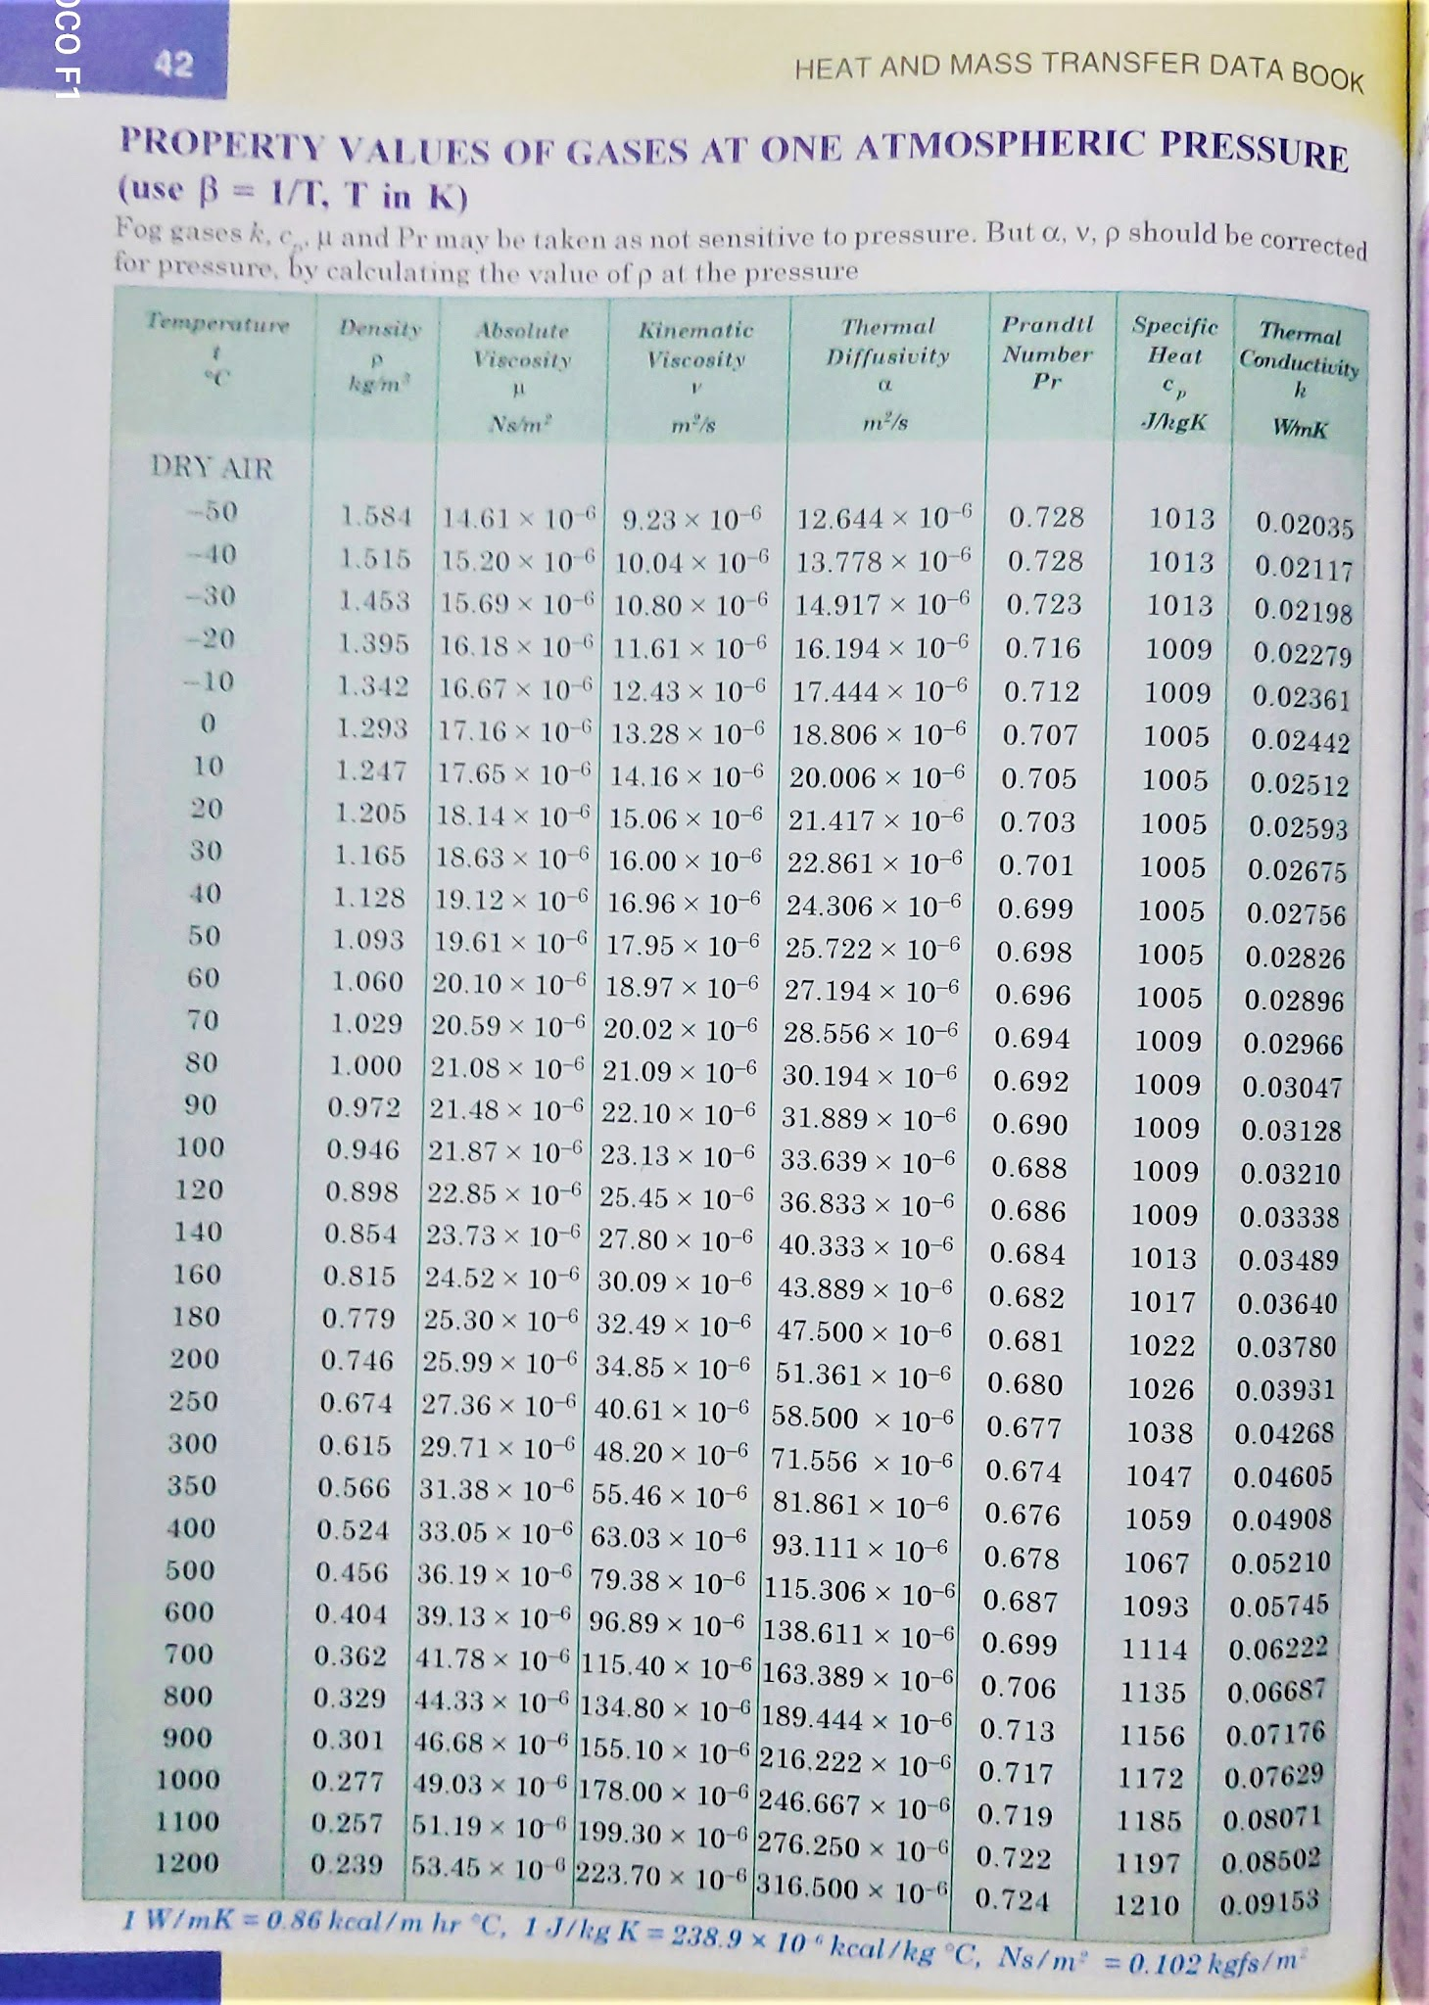

 | HEAT TRANSFER IN NATURAL CONVECTION
 | To access this file: Go to File > Make a Copy > Save to your drive
Aim:
To determine the local heat transfer coefficient for a vertical tube losing heat by natural convection.

Procedure:
1. Put ON the supply and adjust the dimmerstat to obtain the required heat input. 2. Wait till the fairly steady state is reached, which is confirmed from temperature readings (T1 to T7). 3. Note down the surface temperature at various points. 4. Note the ambient temperature (T8). 5. Repeat the experiment at various heat inputs.

Result :

The average experimental heat transfer coefficient = |  |  |  |  |  | 0.00
The average theoretical heat transfer coefficient = |  |  |  |  |  | 0

Inference :

ONLY ENTER THE FOLLOWING CELLS
 | Enter readings |  | Enter value from data table corresponding to the temp Tf

No of readings given |  |  |  | 3
acceleration due to gravity |  |  | g | 9.8 |  | m/s^-2

Observations:

1 | Cylinder outer dia, D |  | 25 | mm | or | 0.025 | m
2 | Length of the cylinder, L |  | 400 | mm | or | 0.4 | m
3 | Input to the heater |  | VI

 | Sl No | Thermocouple readings (oC) |  |  |  |  |  |  |  | Ts (oC) | Tf (K) | Gr | Ra | hth (W/m2K) | hexp (W/m2K)
 |  | T1 | T2 | T3 | T4 | T5 | T6 | T7 | Ta
 | 1 | 0 | 0 | 0 | 0 | 0 | 0 | 0 | 1 | 0.000 | 0.500 | -0.2293235832 | 0 | 0 | 0.00
 | 2 | 0 | 0 | 0 | 0 | 0 | 0 | 0 | 1 | 0.000 | 0.500 | -0.2293235832 | 0 | 0 | 0.00
 | 3 | 0 | 0 | 0 | 0 | 0 | 0 | 0 | 1 | 0.000 | 0.500 | -0.2293235832 | 0 | 0 | 0.00
 | 4 | 0 | 0 | 0 | 0 | 0 | 0 | 0 | 1 | 0.000 | 0.500 | -0.2293235832 | 0 | 0 | 0.00
 | 5 | 0 | 0 | 0 | 0 | 0 | 0 | 0 | 1 | 0.000 | 0.500 | -0.2293235832 | 0 | 0 | 0.00

 | Sl No | Power given to heater |  |  |  |  |  |  |  |  |  | kinematic viscosity of the fluid, v | Prandtl No, Pr | Thermal Conductivity, k
 |  | Voltage (volt) |  | Current (amp) |  | Power (watts) |  |  |  |  |  |  |  |  | Nu | Nu
 | 1 | 0 |  | 0 |  | 0 |  |  |  |  |  | 0.1 |  |  | 0 | Invalid 'Ra' Value or less than 10^4
 | 2 | 0 |  | 0 |  | 0 |  |  |  |  |  | 0.1 |  |  | 0 | Invalid 'Ra' Value or less than 10^4
 | 3 | 0 |  | 0 |  | 0 |  |  |  |  |  | 0.1 |  |  | 0 | Invalid 'Ra' Value or less than 10^4
 | 4 |  |  |  |  |  |  |  |  |  |  | 0.1 |  |  | 0 | Invalid 'Ra' Value or less than 10^4
 | 5 |  |  |  |  |  |  |  |  |  |  | 0.1 |  |  | 0 | Invalid 'Ra' Value or less than 10^4
 |  |  |  |  |  |  |  |  |  |  |  | Change the above values by taking from data table on corresponding to the temp Tf
Sample Calculation: |  |  | (sample calculation given below is taken based on Sl No: #1 by default)

 | Average surface temperature, Ts |  |  |  |  |  |  |  | 0.000 | oC
 | Ambient temperature |  |  |  | Ta = T8 |  |  |  | 1 | oC
 | Surface area of heat transfer, As |  |  |  | As = pi*D*L |  |  |  | 0.031429 | m2
 | Average heat transfer coefficient, hav |  |  |  | hav = Qa/AsΔT |  |  |  | 0.000 | W/m^2K

 | Grashof number, Gr |  |  |  | Gr = (g*L^3*β*ΔT)/v^2 |  |  |  |  | -

 | Where, ΔT |  |  |  | ΔT = (Ts – Ta) |  |  |  | -1.000 | oC
 | acceleration due to gravity |  |  |  | g |  |  |  | 9.8 | m/s^-2
 |  |  |  |  | Tf = (Ts+Ta)/2 |  |  |  | 0.5 | oC
 | coefficient of volumetric expansion of the fluid |  |  |  | β=1/(Tf+273) |  |  |  | 0.00365630713 | /oC
 | kinematic viscosity of the fluid |  |  |  | v |  |  |  | 0.1 | m3/sec | (from table)

 |  |  |  |  | Gr |  |  |  | -0.2293235832 | -

 | Prandtl number, Pr |  |  |  | Pr |  |  |  |  | - | (from table)
 | Ra = Gr x Pr |  |  |  |  |  |  |  | 0 | -
 | Nusselt number, Nu |  | Invalid 'Ra' Value or less than 10^4 |  |  |  |  |  | Invalid 'Ra' Value or less than 10^4 | -

Note: | IF 10^4 < Gr*Pr <10^8 , |  | Nu = 0.56*(Gr*Pr)^0.25
 | IF Gr*Pr > 10^8, |  | Nu = 0.13*(Gr*Pr)^(1/3)

 |  |  |  |  | hth = (Nu*k)/L |  |  |  | 0 | W/m^2K

 | Thermal Conductivity |  |  |  | k |  |  |  |  | W/mK | (from table)

 |  |  |  |  | -- END --

 | Error Statements:
 | Invalid 'Ra' Value or less than 10^4

